Kold Draft Parts - Active
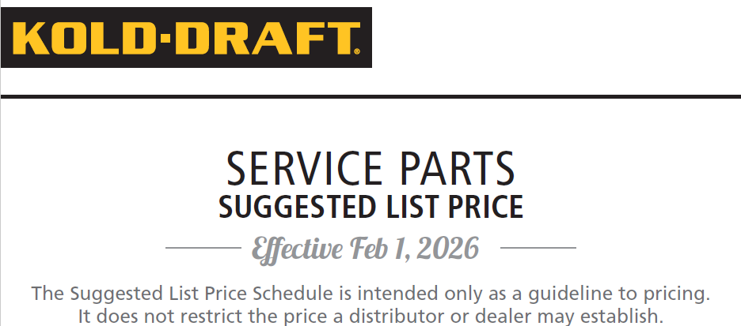
PART NUMBER | DESCRIPTION | SUGGESTED LIST PRICE 2/1/26
500023 | KOLD DRAFT CLEANER | $92.68
102100601 | EXPANSION VALVE 1/2-C | $629.65
102100701 | RELAY SOCKET EAGLES GB40 | $57.92
102100801 | VALVE BODY GT36X GB1064R | $224.90
102101001 | VALVE BODY 200RB4T3 | $181.61
102101101 | COIL 120-50/60 | $186.27
102101401 | FAN MOTOR GT331-341-351 | $519.44
102101402 | CNDNSR FAN MOTOR | $595.52
102101501 | CNDNSR FAN MOTOR | $522.06
102101602 | FAN BLADE ALL UNITS | $43.81
102101802 | AIR COOLED CNDNSR | $1,698.72
102101803 | AIR COOLED COND GT56A | $1,683.99
102102001 | LIQUID CNDNSR GB430 | $788.80
102102005 | LIQUID COND GB560/650 | $891.96
102102101 | LIQUID CNDNSR ALL | $852.61
102102302 | RECEIVER GB1064R | $748.69
102103501 | CONTACTOR SINGLE 120V | $194.22
102103601 | CONTACTOR SINGLE 220v | $184.53
102103602 | CONTACTOR GB1225/GB1245 | $176.48
102103701 | RELAY-PLUG IN | $117.33
102104401 | RUN CAP | $90.57
102104702 | START RELAY GB634 | $216.09
102104704 | START RELAY GB431/GT | $275.46
102104705 | START RELAY GB644 | $209.88
102104706 | START RELAY | $275.46
102104709 | START RELAY | $156.45
102104710 | START RELAY GT357 | $236.11
102104711 | POTENTIAL START RELAY | $156.45
102104712 | POTENTIAL START RELAY | $199.39
102104714 | START RELAY GT554 | $224.38
102104715 | START RELAY GB1257 | $199.39
102105202 | PUMP DN CNTRL/LOW PRSSRE | $223.01
102105301 | ICE-OFF-WASH SWITCH | $89.20
102105501 | HI-PRESS CUT-OUT | $376.97
102106601 | RECEIVER GB400/600/GT33 | $141.70
102110001 | DRAIN PAN GB NEO | $402.11
102110002 | DRAIN PAN/CHUTE BOT DRN | $590.27
102110003 | DRAIN PAN/CHUTE GT331 | $507.74
102110005 | CHUTE GT551 | $349.51
102112702 | WTR PUMP GB624/GB634/G | $2,913.79
102112703 | WTR PUMP GT334 GT344 | $603.70
102114803 | DRIVEN PULLEY 72 Tooth | $225.83
102115002 | DRIVE BELT T-250/T-251 | $160.42
102115202 | BEARING T-250/T-251 | $236.70
102115402 | WTR DISTRIBUTION KIT | $79.42
102116602 | CK VLVE-HARV REG GB430 | $340.53
102118802 | EXPANSION VALVE w/ DRIER | $249.27
102119123 | COMPRESSOR GB1255 | $3,512.11
102119127 | COMPRESSOR GB657 | $2,806.07
102119129 | COMPRESSOR GB457 | $1,797.04
102119130 | COMPRESSOR GB1208 | $3,113.30
102119132 | COMPRESSOR GT354 | $1,705.23
102119133 | COMPRESSOR GT554 | $1,849.53
102119134 | COMPRESSOR GB1257 | $2,236.00
102119502 | START CAPACITOR | $159.29
102119508 | START CAP GT561X | $83.97
102119701 | RUN CAP 25MFD/440V | $254.01
102120101 | DRAIN TUBE BtTM CUBER | $61.74
102120601 | LIQUID LEVEL CNTRL | $452.83
102120901 | MOTOR SHAFT EXTENSION | $172.74
102121001 | FRONT CAM PIN-2 PER PKG | $41.61
102121101 | ICE DEFLECTOR | $65.19
102121201 | FAN MOTOR GB427/GB437 | $852.61
102121402 | FAN SUPPORT GT331A | $34.74
102121403 | FAN SUPPORT GT551A | $68.20
102121404 | FAN SUPPORT ALL UNITS | $52.95
102121703 | INTERLOCK SWITCH T-25 | $54.56
102121704 | SELECTOR SWITCH | $139.96
102122001 | HARVEST REG VALVE | $360.63
102122101 | CAM SHAFT | $272.74
102122102 | SELECTOR SHAFT | $365.36
102122103 | DRIVE SHAFT | $737.59
102122201 | CAM SHAFT BRKET-FRONT | $52.46
102122501 | SELECTOR KNOB | $70.84
102122701 | HOPPER CAP | $221.27
102123001 | COMB | $813.05
102123101 | T250/T260/T270 SELECTOR | $221.27
102123401 | ELCTRIC BOX COVER GT | $209.88
102123501 | WTR LINE RESTRICTOR | $32.47
102123701 | RELIEF VALVE MGB/MGT | $720.43
102123801 | ACTUATOR MOTOR 115V/60HZ | $874.80
102123802 | ACTUATOR MTOR 230V/50-60 | $874.80
102124101 | CAPACITOR 4 MFD 115 V | $59.17
102124102 | CAPACITOR 1 MFD REX 230 | $57.55
102124215 | COMPRESSOR RETROFIT KIT | $2,492.25
102124216 | COMPRESSOR RETROFIT KIT | $3,151.89
102125301 | CRANKCASE HEATER | $178.38
102125701 | DRIVE PULLEY | $695.20
102125801 | DRIVEN PULLEY | $877.71
102126001 | BEARING T260/270/280 | $511.58
102126501 | PNL SCREWS 10 #8-18 SS | $26.79
102127101 | CAMSHAFT GB450-650-125 | $616.49
102128001 | WTR PROBE-SHRT GB/GT550 | $61.74
102128201 | WTR PROBE-SHORT GT350 | $61.74
102129101 | DRAIN PAN/CHUTE-GT350 BK | $563.89
102129201 | ACTUATOR MTR GB115 LEGAC | $874.80
102129202 | ACTUATOR MTR GB230 LEGA | $891.62
102135301 | Ball Valve 3/8 in FP | $114.60
102135401 | Tube copper connector3/8 | $56.21
102135501 | Bushing 1/2 x 3/8in pipe | $41.64
102135601 | Tee 1/2 x 1/2 comp x 3/8 | $81.20
102137001 | WATER TUBE-ALL UNITS | $44.93
102137301 | CONTROL BOX COVER | $49.24
102137401 | TOP PANEL-GB560/1060 | $271.00
102137501 | RT SIDE PNL GT36X GB56X | $271.00
102137601 | ICE DEFLECTORS LOWER | $103.33
102137901 | FRONT PANEL-GB560 | $233.84
102138301 | WTR VALVE 115V | $166.98
102138601 | ON-OFF SWITCH | $34.83
102139101 | WATER VALVE 230V GB1064 | $277.71
102139401 | LEFT SIDE PANEL GB1060 | $271.00
102139501 | RIGHT SIDE PANEL-GB1060 | $352.92
102139601 | STACKING CHUTE GB1064X | $239.45
102139701 | ICE DEFLECTORS-UPPER | $67.01
102140601 | FAN MOTOR 230V | $1,165.96
102140702 | CMPRSSR KIT EMBRACO | $1,757.68
102140703 | CMPRSSR GT361EMBRACO | $1,757.68
102140901 | ACTUATOR MOTOR 115/60 | $874.80
102141001 | WATER DEFLECTOR GT360 | $120.12
102141101 | SOLENOID GT364 GT/GB564 | $133.20
102141201 | SOLENOID GT361 GT/GB561 | $133.20
102141301 | SOLENOID VALVE GB1064 | $147.04
102141501 | WTRPLATE ASSEMBLY GT360C | $1,459.53
102141601 | WTRPLATE ASMBLY GT360HK | $1,471.39
102141801 | CAM SHAFT GT360 | $147.48
102141901 | AIR COOLED CNDNSR GT360A | $1,259.65
102142001 | EVAP KIT GT360HK | $3,135.01
102142101 | EVAP KIT GT360C | $2,507.98
102142201 | DRAIN PAN GT360 | $425.71
102142301 | WATER TANK GT360C/HK | $328.36
102142401 | RELAY BOX ASSEM GT361 | $322.41
102142501 | CONTROL BOX COVER GT360 | $62.78
102142601 | CONTROL BOX COVER-GT560 | $62.78
102142701 | LFT SDE PANL GB560/GT360 | $270.66
102142801 | LEFT SIDE PANEL-GT560 | $276.21
102142901 | RIGHT SIDE PANEL-GT560 | $304.27
102143001 | DISTRIBUTOR TUBE GT360 | $59.50
102143101 | ICE DEFLECTOR KIT GT360 | $101.70
102143201 | ICE DEFLECTOR KIT GT560 | $103.33
102143301 | WTR TANK | $378.87
102143501 | TOP PANEL GT360 | $197.89
102143701 | FRONT PANEL GT360 | $155.91
102144101 | FRONT PANEL GB1060 | $472.90
102144501 | EVAP GB C FLAT PAN-EN | $3,135.82
102144601 | EVAP GB HK FLAT PAN-EN | $3,135.82
102144701 | CONTACTOR GB427/437/620 | $296.40
...

